CFO Guide
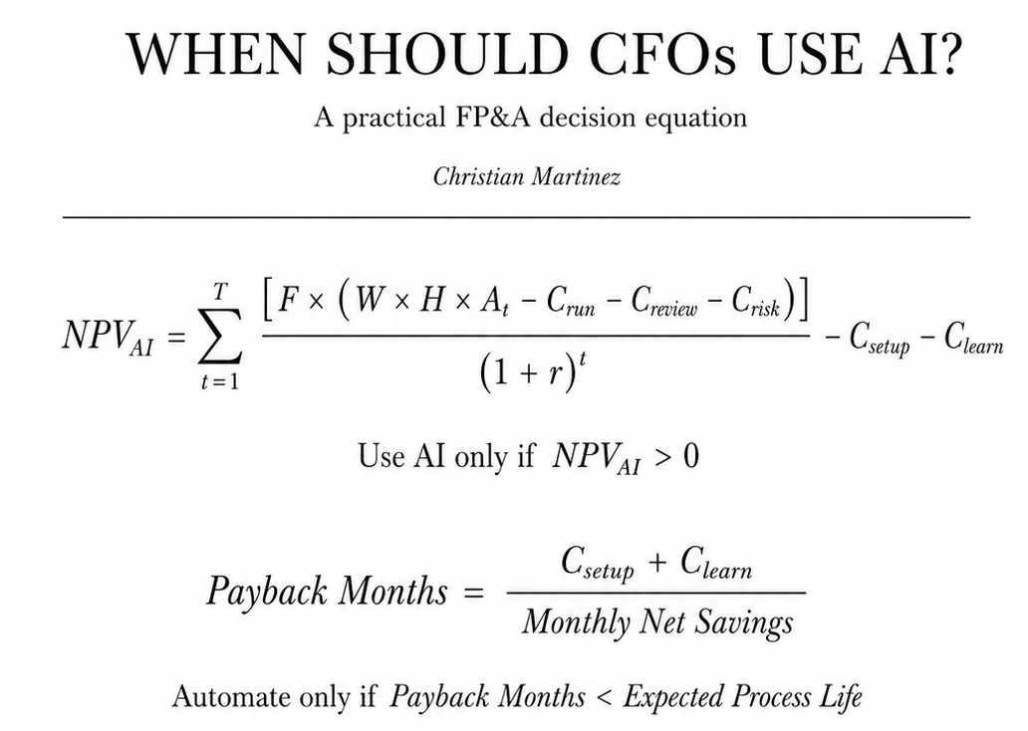
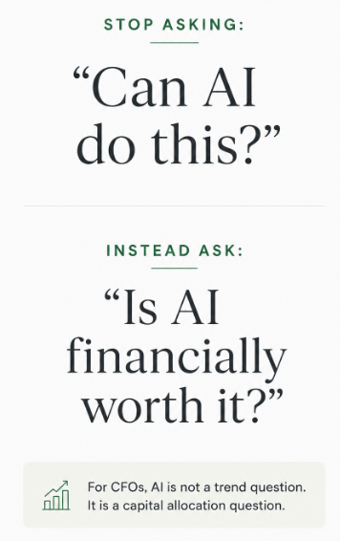
CFO AI ROI Decision Model
 |  | More Guides here ↓
Use this workbook to decide whether an FP&A process should stay manual, use a Custom GPT, use coding automation, or justify an AI agent.

How to use this template?

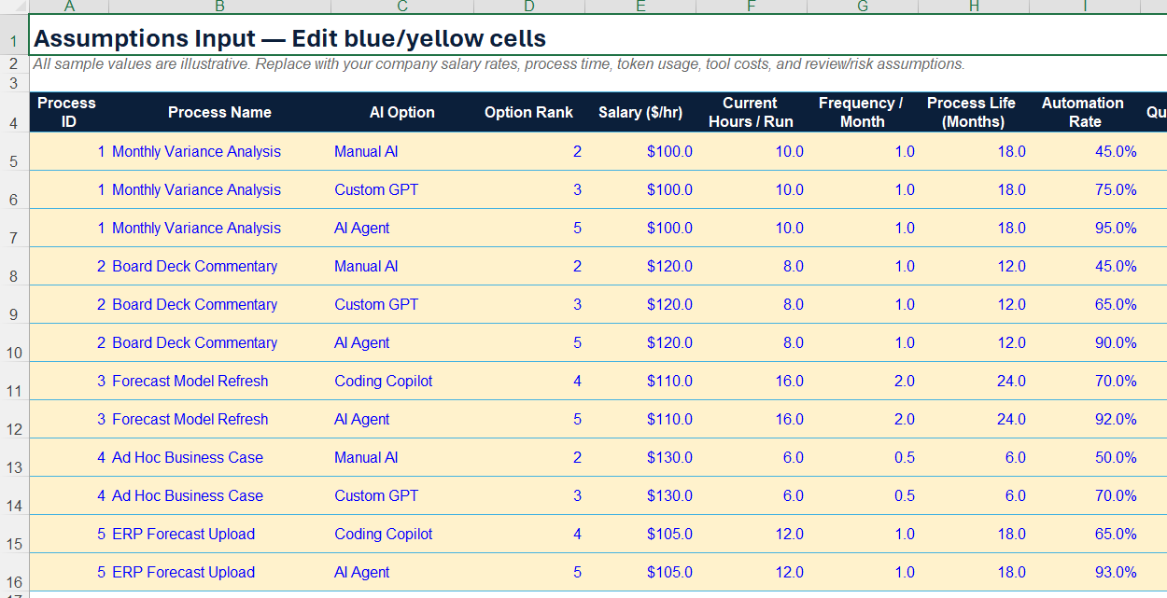
1 | Edit blue/yellow input cells in the Assumptions sheet.
2 | Review Calculations for NPV, ROI, payback, AI score, and token break-even price.
3 | Use Dashboard to see the best option by FP&A process.

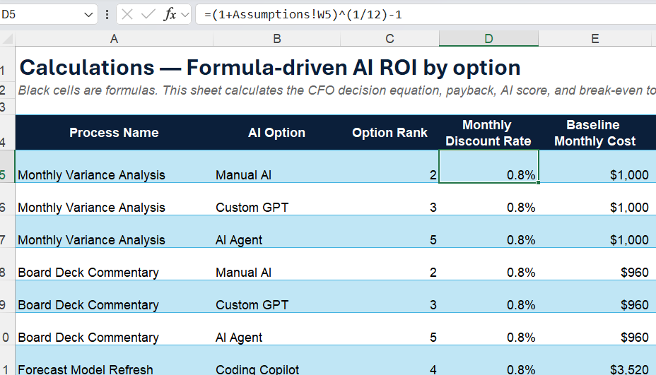
Extra Tips
A | Use Token Breakeven to understand whether cheaper tokens could make agents viable later.
B | Keep human review for any process that touches financial outputs, even if an agent is profitable.
C | Upgrade from Custom GPT/Gemini Gem/Claude Skill to Agent only when incremental automation justifies incremental cost and control burden.

Do not pay agent prices for Custom GPT problems. Token prices may fall, but accountability will not.

Reasoning
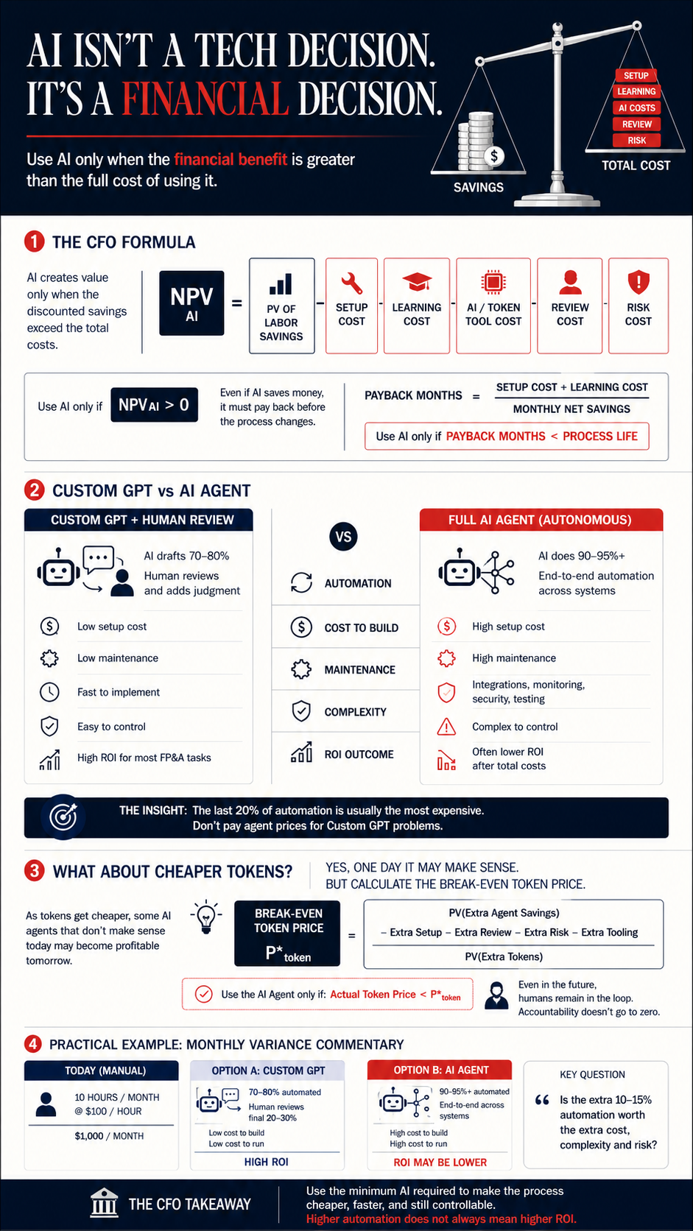
Explanation of the Model
AI should be treated like an investment decision, not a technology trend. A CFO should not ask, “Can AI do this?” The better question is, “Does AI save more money than it costs, after setup, training, review, risk, and maintenance?”

The main formula is the decision rule. It says the value of AI is equal to the future labor savings from automation, minus the costs required to make AI work. Those costs include setup cost, learning cost, AI/token/tool cost, human review cost, and risk cost. In simple words: use AI only when the financial benefit is greater than the full cost of using it.

The second rule is about payback. Even if AI creates value, it still needs to pay back fast enough. If it takes 12 months to build and learn the AI workflow, but the FP&A process will change in 6 months, then it is probably not worth it. The process may change before the company gets the benefit.

A practical example would be monthly variance commentary. Today, an FP&A analyst may spend 10 hours every month pulling numbers, explaining variances, writing commentary, and preparing notes for the CFO. A cheap Custom GPT could be built using the company’s standard variance commentary format, examples of prior months, business definitions, and instructions such as: “Explain revenue variance by volume, price, mix, FX, and timing. Keep tone CFO-ready. Flag unusual movements.” That Custom GPT might do 70–80% of the drafting work.

But the human still matters. The analyst or FP&A manager should review the numbers, check whether the explanation makes business sense, add judgment, remove weak wording, and make sure nothing is misleading. In that setup, the AI does the repetitive first draft, and the human provides judgment, accountability, and context. This is usually cheap, fast to implement, and easy to control.

Now compare that to a fully autonomous AI agent. The agent might connect to Excel, ERP exports, planning systems, Slack, email, and maybe a data warehouse. It may pull data, clean it, run analysis, write the commentary, create slides, send alerts, and update files automatically. That sounds powerful, but it can become expensive quickly. You may need API costs, orchestration tools, monitoring, security reviews, permissions, testing, error handling, audit logs, and someone to maintain it every time the forecast model, chart of accounts, business structure, or reporting calendar changes.

So even if the AI agent automates 90–95% of the work, it may still be worse financially. The Custom GPT might save 7 hours per month with almost no technical maintenance. The agent might save 9 hours per month but cost thousands of dollars to build and maintain. The extra 2 hours saved may not justify the extra complexity.

3. Dashboard
Dashboard — Best AI option by FP&A process
Decision rule: maximize NPV, but only automate when NPV is positive and payback is shorter than expected process life.
 | Best NPV
Monthly Variance Analysis
Board Deck Commentary
Forecast Model Refresh
Ad Hoc Business Case
ERP Forecast Upload
Total Positive NPV | Positive AI Cases |  | Avg. Payback (positive cases) | Best Overall Case
$25,088 | 2 |  | 4.1 | Forecast Model Refresh — Coding Copilot

Process | Recommended Option | Best NPV | Monthly Net Savings | Payback Months | AI Score | Token Break-even ($/1M) | CFO Action
Monthly Variance Analysis
Board Deck Commentary
Forecast Model Refresh
Ad Hoc Business Case
ERP Forecast Upload

CFO Interpretation
Use the recommendation only if the business process is stable enough to earn back setup and learning costs. If token prices keep falling, AI agents may become viable later; use the Token Breakeven sheet to calculate the price point. Even when an agent passes the model, keep human review for financial outputs because accountability does not get automated.

Bonus Python
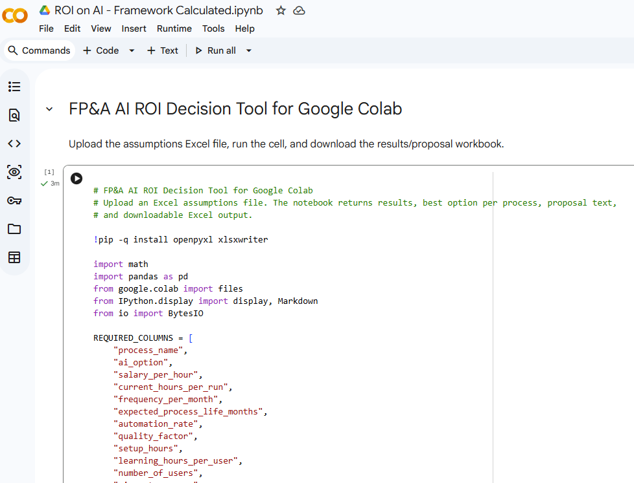
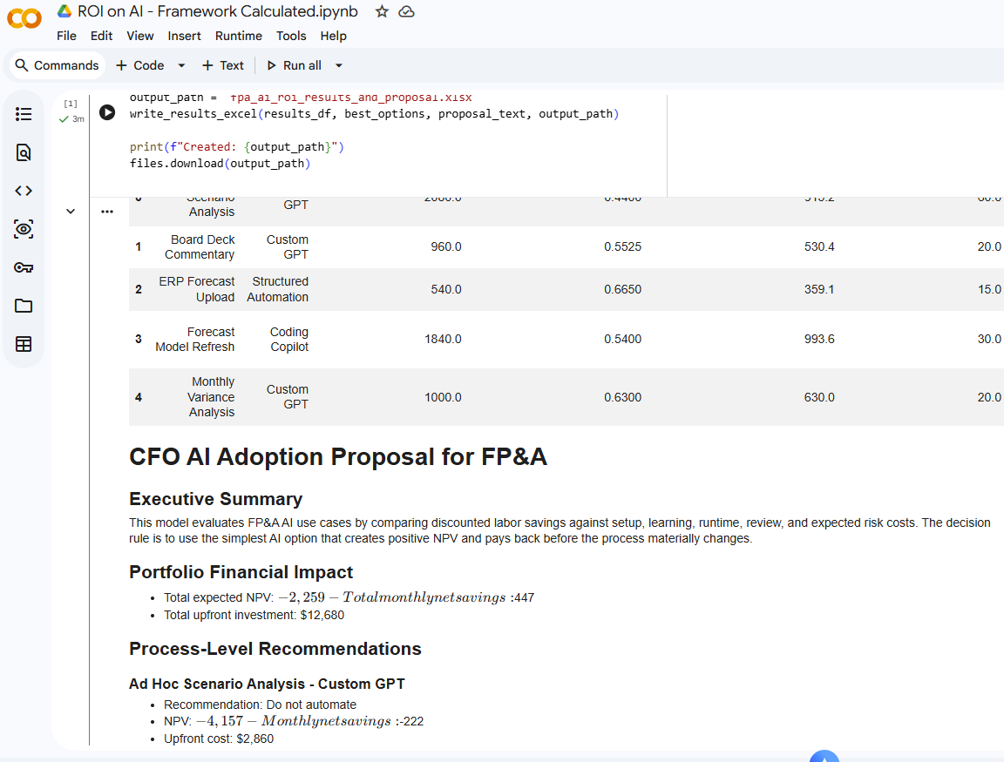
I also created a Python code that can calculate this.

It's free for you to use:

https://colab.research.google.com/drive/1HcgyKElPZNzBr9w_Y2Fs1y01cuaDuVk2?usp=sharing

